Instructions
Updates:
***** Drop down lists for OSO, Race, Purpose of examination, age automatically calculated by date,
entering DOB, dental exam classes or via letter added to right of date, and all answers for courtesy
review, new applicant, currently in training, once trained and fully trained are in drop down box.

Check boxes for for MEPS/NON-MEPS Physical

To change the drop down lists:

1. Go to the "drop down lists" sheet
2. select a column
3. enter your data in the order that you wish, reference what I did on Column A. This is for my OSO
drop down list
4. Highlight the entire column, then rename on the upper left
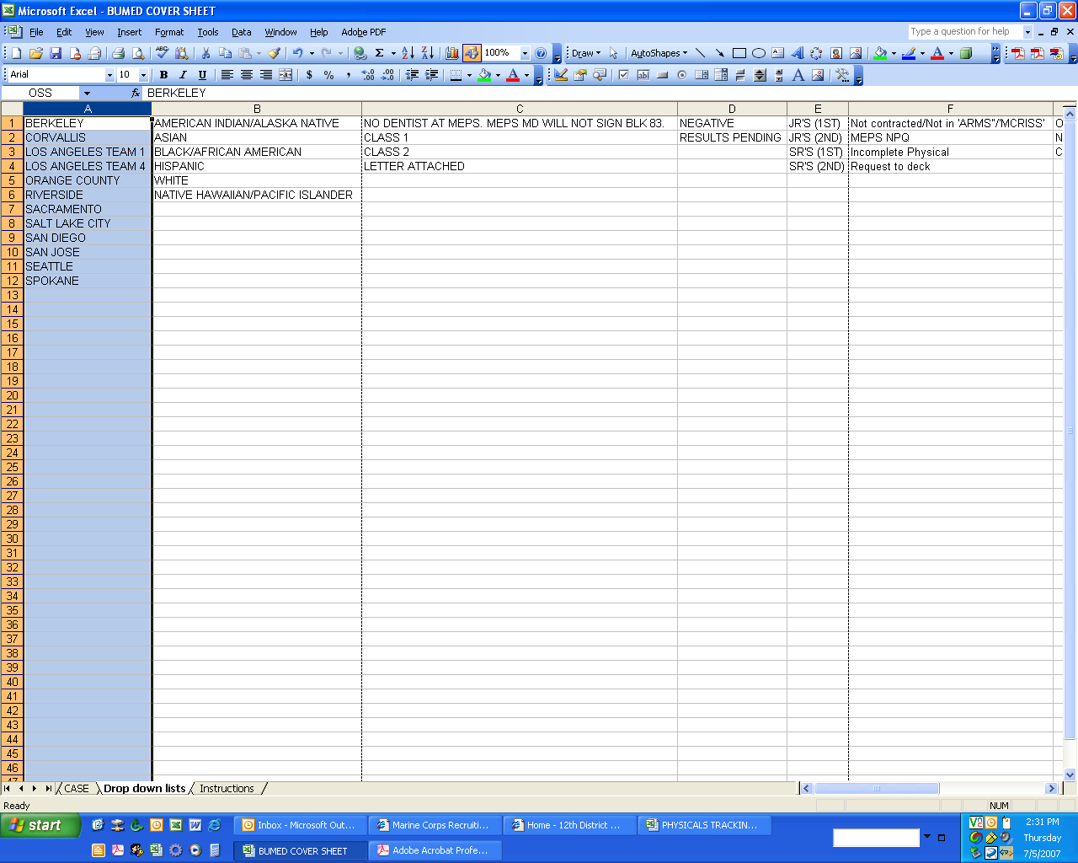

5. Select your cell where you need the drop down list to be. Then go to "Data" then validation.
You now chose "list".
6. Under source, use the equals ( = ) signs and then enter the column that you have named.
I chose the cell for my dropdown for my OSS List.
I named it OSS and now I have sourced it to that list.

7. Once your done w/ everything, protect the "Case" sheet
like so:

7. Whalla!! Now your done.

